Cover
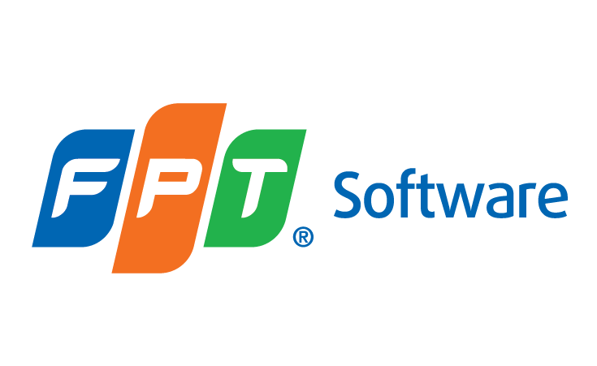

LOMA 291

Improving the Bottom Line: Insurance Company Operations

 | Document Code
 | Version | 1.0
 | Effective Date | 2025-08-03

